PRD
Product Requirement Document (PRD) - Version: 1.0

Template Name |  | EduQuest - An Online Quiz Maanagement System
Goals & Objective |  | The goal of our project is to connect teacher and students to a single platform. From this website : - Students can attend multiple quizes - Students can see their performance analytics. - Teachers can upload questions. - Teachers can have analytics of thes students performance. - Questions will be saved on database and can be downloaded.
Client Information
Product Type |  | Web Application
Domain |  | Web2
Access Layers |  | User, Trainer
Design Required |  | Yes

Phase | Item No | Specification [Role] | Screen Definition | User Story | Acceptance Criteria | UI Screen / Wireframe | Tags
Feature: 1 |  | Top bar and Bottom Bar
phase 1 | 1 | Top bar | col1 : logo col2 : Home col3 : Service col4: Features col5: Pricing col6: Contact col7: Login col8: SignUp | - clicking on logo will take user to the hero section - clicking on service will take user to service section - clicking on login will take to features section - clicking on pricing will take to pricing section - clicking on contact will take to contact section - clicking on login will take to login section - clicking on signup will take to signup section | none
phase 2 | 2 | Bottom Bar | col1: Logo row1: Copyright & year col2: Company row1: About us row2: Service row3: Feature row4: Contact Col3: Support row1: Help Center row2: Terms and Service row3: Legal row4: Privacy policy Col4: Stay up to date row1: send email | - clicking on logo will take user to the hero section - clicking on service will take user to service section - clicking on login will take to features section - clicking on pricing will take to pricing section - clicking on contact will take to contact section - clicking on paperfly icon will send email | none
Feature: 2 |  | Hero Section
phase 1 | 3 | Register | <button = register> | clicking on signup will take to signup section | none | 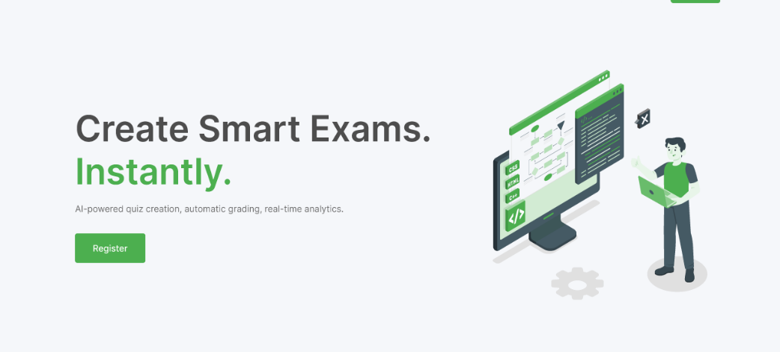
Feature: 3 |  | Service
phase 1 | 4 | Analytics | col1: number of students row1: students row2: number of questions row3: Practice Questions col2: Number of answer sheets row1: Answer Sheets row2: number of performance improvement row3: performance improvement | Users can see total number of students, questions, answer sheets, performance improvements | none
Feature: 4 |  | Pricing
phase 1 | 5 | Pricing section | <table = pricing plans> <col = Free> <row = $0/mo> <row = Create 3 quizzes/month> <row = Basic question bank> <col = Pro> <row = $19/mo> <row = Unlimited quizzes> <row = AI question generation> <row = Basic analytics> <row = Email support> <col = Institutional> <row = $50/mo> <row = All Pro features> <row = Team collaboration> <row = Full analytics + reports> <row = Dedicated support> | Users can buy there preferable plans | - users must log in to the website | 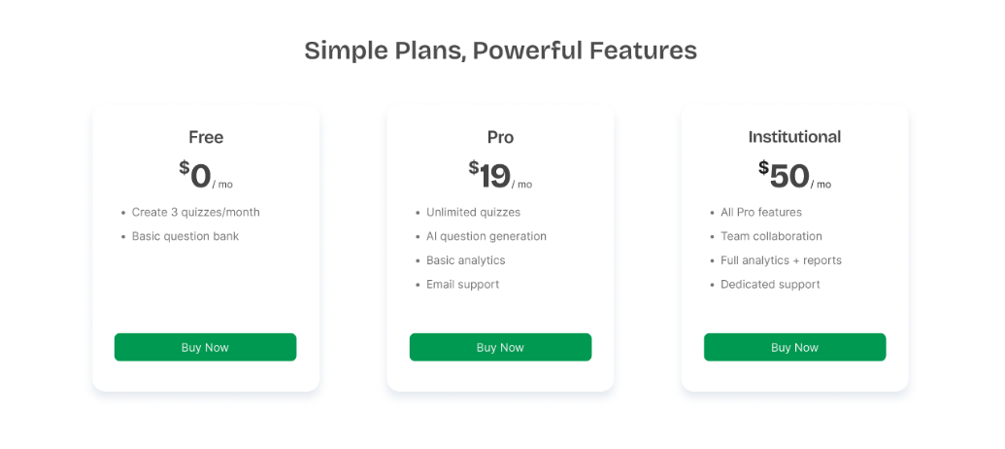
Feature: 5 |  | Testimonials
phase 1 | 6 | Testimonials | <section = testimonials> <col = testimonial 1> <row = "EduQuest has completely transformed how we prepare exams. The AI-generated questions are accurate and save us hours each week!"> <row = Dr. Sarah Ahmed, Head of Department, Greenfield College> <row = 5-star rating> <col = testimonial 2> <row = "Auto-grading and analytics help me instantly understand how my students are performing. It’s like having a personal assistant for assessments."> <row = Mr. Ravi Mehra, High School Teacher, Horizon International> <row = 5-star rating> <col = testimonial 3> <row = "EduQuest has completely transformed how we prepare exams..."> | users can click lefot or right button to see the testimonials | none | 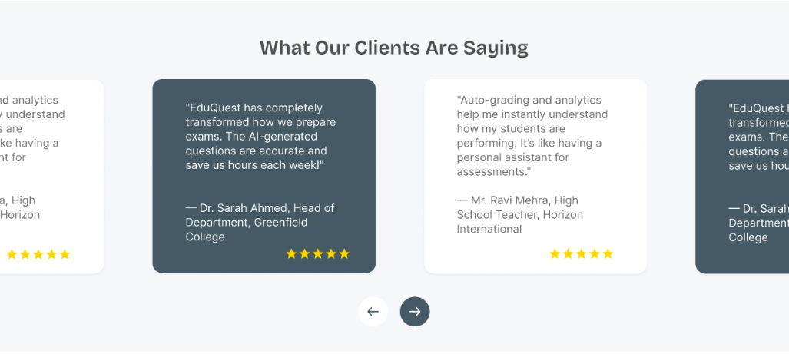
Feature: 6 |  | FAQ
phase 1 | 7 | FAQ | <View> <Text>Frequently Asked Questions</Text> <ScrollView> <Text>Question 1: What is Bitcoin?</Text> <Text>...Answer 1 goes here...</Text> <Text>Question 1: What is Bitcoin?</Text> <Text>...Answer 1 goes here...</Text> </ScrollView> </View> | users can click on the drop down icon to see the answers of frequently asked questions | none | 